EDA
Data Info
 | Recording | 记录011
 | Subject | 焦相婷
 | Create Time | 2024-07-10 15:06:41.993
 | Data Name | Finger8 EDA
 | Data Type | EDA
 | Sample Rate | 64
 | Segment | 后静息态
 | Start Time | 0:58:13
 | End Time | 1:03:13
 | Duration | 0:05:00

Replay Chart
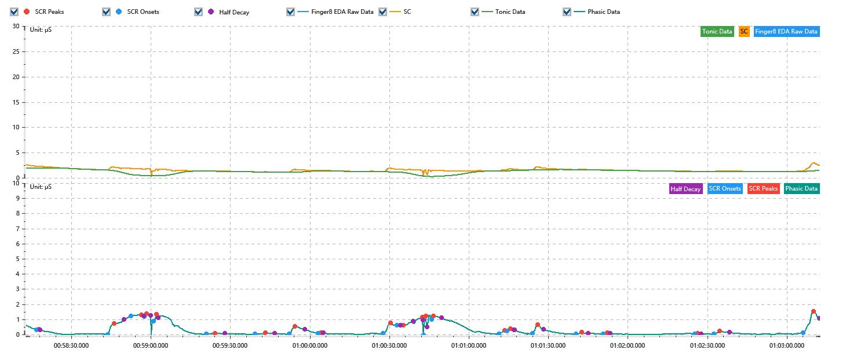

Process parameters
 | Filters
 | Smooth denoise | Enabled | 高斯 | 5(samples)
 | Lowpass filter | Enabled | 5μS
 | Skin Conductance Response
 | SCR extraction | Minimum SCR amplitude | 0.03μS
 | SCR extraction | Max rise time | 4s
 | SCR extraction | Max half decay time | 4s
 | SCR extraction | Peak dection sensitivity | 中
 | Event related activation | Window relative to event | 1s | 4s

Time Domain
 | Data | Mean | Max | Min | Std | Variance | Polar Distance | Data Length
 | SC | 1.53μS | 2.92μS | 0.3μS | 0.3μS | 0.09μS² | 2.62μS | 1200
 | Tonic | 1.27μS | 1.99μS | 0.28μS | 0.37μS | 0.13μS² | 1.71μS | 1200
 | Phasic | 0.26μS | 1.52μS | -0.07μS | 0.38μS | 0.14μS² | 1.58μS | 1200

SCR
 | OnsetTime | PeakTime | RiseTime | HalfDecayTime | Amp
 | 0.040474155093 | 0.040482835648 | 0.75s | 0.5s | 0.04μS
 | 0.040783761574 | 0.040812696759 | 2.5s | 3.75s | 0.73μS
 | 0.040885034722 | 0.040931331019 | 4s | 0.75s | 0.1μS
 | 0.040942905093 | 0.040954479167 | 1s | 1.5s | 0.17μS
 | 0.040983414352 | 0.040997881944 | 1.25s | 0.5s | 0.43μS
 | 0.041214895833 | 0.041252511574 | 3.25s | 3.75s | 0.07μS
 | 0.041426122685 | 0.041472418981 | 4s | 3.5s | 0.09μS
 | 0.041576585648 | 0.041602627315 | 2.25s | 3.75s | 0.52μS
 | 0.041703900463 | 0.041715474537 | 1s | 1s | 0.03μS
 | 0.041987465278 | 0.042019293981 | 2.75s | 3.75s | 0.68μS
 | 0.042048229167 | 0.042074270833 | 2.25s | 3.75s | 0.03μS
 | 0.04212056713 | 0.04215818287 | 3.25s | 0.25s | 0.28μS
 | 0.042163969907 | 0.042172650463 | 0.75s | 0.5s | 1.28μS
 | 0.04219869213 | 0.042207372685 | 0.75s | 3s | 0.23μS
 | 0.042493831019 | 0.042516979167 | 2s | 3.75s | 0.25μS
 | 0.042528553241 | 0.042543020833 | 1.25s | 1.25s | 0.17μS
 | 0.042638506944 | 0.042661655093 | 2s | 2.25s | 0.58μS
 | 0.042829479167 | 0.042855520833 | 2.25s | 2.25s | 0.12μS
 | 0.042948113426 | 0.042965474537 | 1.5s | 1.25s | 0.06μS
 | 0.043347418981 | 0.043361886574 | 1.25s | 1.25s | 0.04μS
 | 0.043431331019 | 0.043457372685 | 2.25s | 3.75s | 0.19μS
 | 0.043821956019 | 0.043868252315 | 4s | 2s | 1.44μS

Event Related
 | Event Group | Event Name | Event Description | EventTime | SCRCount | Latency | AmpSum | SCL | Half Decay Time Avg. | Rise Decay Time Avg.
 | Custom | 后静息态采集开始 |  | 0.040424855473 | 0 | 0s | 0μS | 1.99μS | 0s | 0s

